Introduction


Passwort: Fraunhofer

Fraunhofer Sustainability Assessment
Strategic LCA

This questionaire is designed as a simplified calculation tool to help organizations estimate and inventory their environmental impacts for US-based operations. The questionaire is designed to help estimate the direct and indirect impacts from sources within an organization as activity data is entered into the various sections of the worksheet for a reporting period.

Before entering data, please enable macros!

There are three primary steps in completing a Lifecycle Inventory.
I. DEFINE BOUNDARIES: The first step in completing a Lifecycle Inventory is to determine the organizational boundaries. Determine which processess and scopes you want included in your LCI. Also consider what data is available to you. The sheet "Further Information" can help you get a better overview.

II. COLLECT DATA: The second step is to collect data for the defined reporting period. We built this questionaire to speed up the data collection process as much as possible.

III. QUANTIFY IMPACT: The third step is to calculate the environmental impact - this is done for you by the calculator. Once the user enters data into this MS Excel spreadsheet, the impacts are calculated and totalled on the 'Results' sheet.

What impact factors should be included in your Lifecycle inventory?

Depending on how much data is available to you and how thourough you want your Lifecycle inventory to be, this calculator can only include Scope 1&2 impact factors, such as electrical power and water usage, greenhous gas emissions from combustion facilites within your organization or by vehicles owned or leased by your organization.

If there is more data available to you and you want your LCI to be more thorough, you an also include Scope 3 impact factors. These include external transportation, waste disposal handled by external contractors or the resulting resource depletions associated with raw materials.

For more information what Scope includes which impact factors, look at the helpsheet "Furhter information".

 | Do you wat to evaluate only Scope 1&2 impact factors, or should Scope 3 also be included?

If a process (i.e. 'Company owned Transport') does not apply to your organization, you don'nt have any data on it, or don't want to include it in your LCI, you can always skip it with the butten on the respective sheet.
Click the "Next Step" Button, when you are ready to proceed.

Should you have accidentally skipped a process, you can always use this butten to restore all categories.

Calculator Guidance - Important Information
Navigate to the data entry sheets below. After answering the boundary condition questions, only the data entry sheets relevant to your organization will be shown. On the data entry sheets, enter data in yellow cells only. Help on entering the data is provided on each sheet.

Data must be entered in the units specified on the data entry sheets. Use the "Unit Conversions" sheet if unit conversion is necessary prior to entering data into the Calculator.
If you need more information on what organizational processes contribute to which impact factors, consult the sheet "Further Information".

Sources
All Data on Greenhouse Gas emissions stems from the U.S. Environmenta Protetction Agency: https://www.epa.gov/ghgreporting
Data for all the other impact factors stems from the ReCiPe Report 2017: https://pre-sustainability.com/legacy/download/Report_ReCiPe_2017.pdf
Data on commuting stems from the 2021 Report of the U.S. Census Bureau: https://www.census.gov/topics/employment/commuting/guidance/acs-1yr.html
Greenhous Gas emissions associated with raw materials are calculated with the MFI tool from the National Renewable Energy Laboratory: https://mfitool.nrel.gov/my/app_users/sign_in

General Information
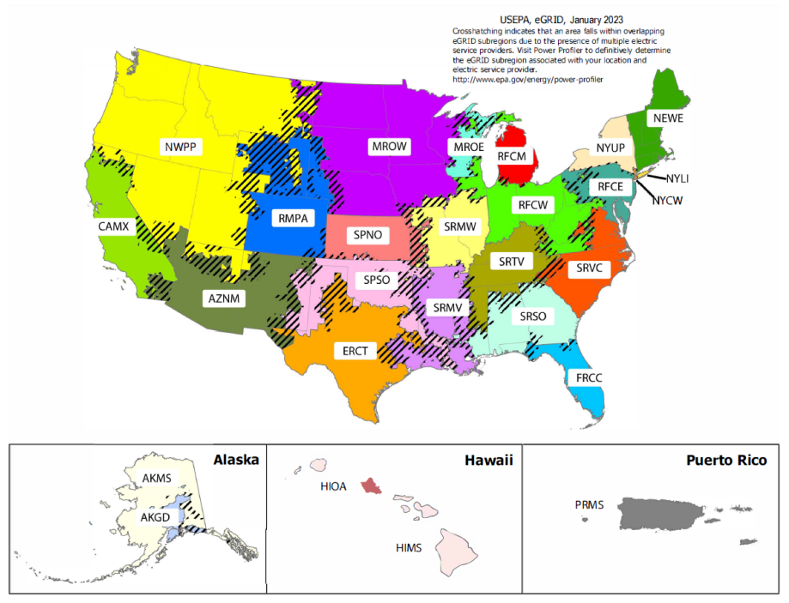
General Information

Use this sheet to enter the general information about your organizational structure.

Please define the boundary conditions of your organization.
A reporting period should usually be one calender or fiscal year.

Name of organization |  | No. of employees | Reporting period [mm/yyyy-mm/yyyy] |  |  | No. of plants

Give each plant a unique ID. This ID will be kept track of in the further process. Please include every plant of your organization.
Use the map below to choose the appropriate region and select it from the dropdown menu for each pant.
Please enter the electrical- and water consumption, as well as the built up area for each location (called "Plant") of your organization.
You should find your water and power usage on your water or power bill.

ID | Plant | Region | Electrical Consumption (MWh) | Water Consumption (Gallons) | Area (Sq. feet) | No. Of employees
1 | Alaska Plant 1 | AKGD (ASCC Alaska Grid) | 24000 | 24000 | 2500 | 35
2 | Alaska Plant 2 | AKGD (ASCC Alaska Grid) | 27000 | 25000 | 3000 | 40

3 | Alaska Plant 3 | AKMS (ASCC Miscellaneous) | 15000 | 18000 | 800 | 20
 |  |  |  | 67000 | 6300 | 95

